CCVC SnL

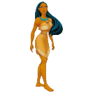


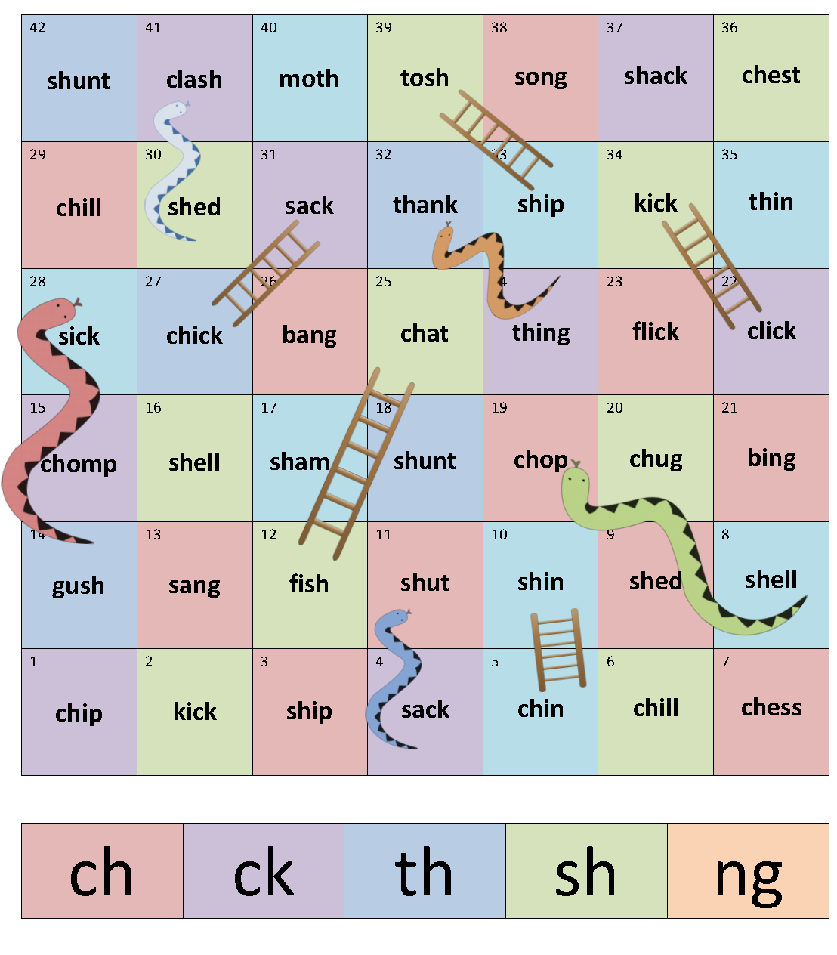
Toggle Protected Sheet

Unlock All Pictures

Toggle FullScreen

Make A Sentence
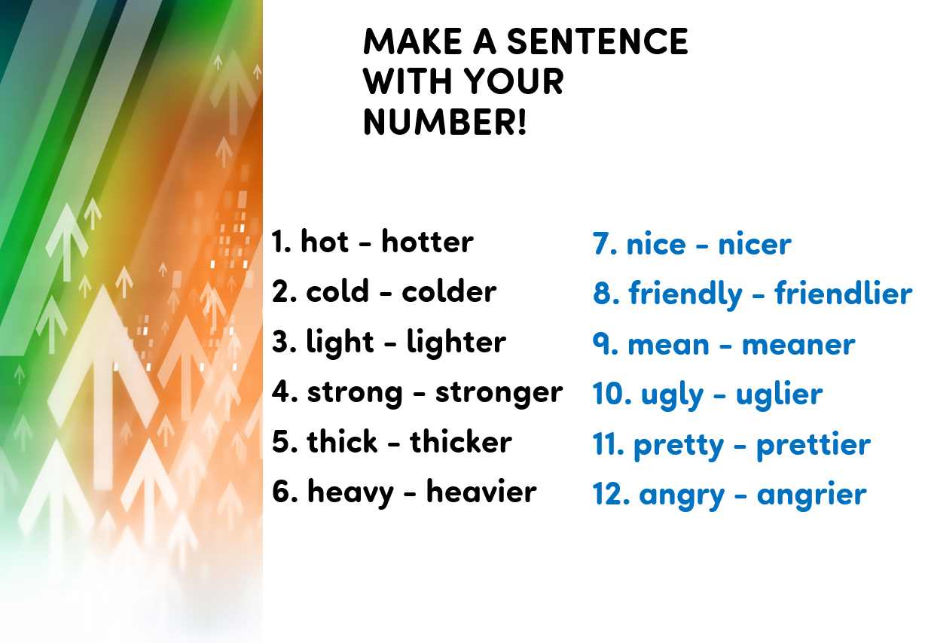
Toggle Protected Sheet

Unlock All Pictures

Toggle FullScreen

